Spring Bookings
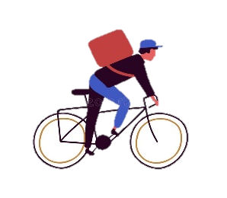 Advanture Works

Bike Tour | Month | Customer | Length | Group Size | Per Person | Total
Casual Biker Inn Tour | April | Lee, Aaron | 4-Day/3-Night | 7 | 600 | 4200
Casual Biker Inn Tour | May | Rath, Andrew | 4-Day/3-Night | 5 | 600 | 3000
Casual Biker Inn Tour | June | O'Donnell, Claire | 4-Day/3-Night | 2 | 600 | 1200
Gully Wash Loop | April | Parker, Darren | 1/2 Day | 4 | 75 | 300
Gully Wash Loop | May | Campbell, David | 1/2 Day | 9 | 75 | 675
Gully Wash Loop | June | Potter, Harry | 1/2 Day | 12 | 75 | 900
Kokopelli Trail | April | Carter, Aaron | 4-Day/3-Night | 15 | 450 | 6750
Kokopelli Trail | May | Mac, Lincohn | 4-Day/3-Night | 12 | 450 | 5400
Kokopelli Trail | June | Lee, Na | 4-Day/3-Night | 10 | 450 | 4500

